Sheet1
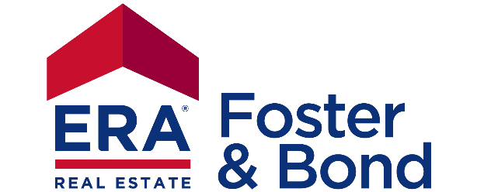
®
2 0 2 2
CONTRACTRIGHTER

Question About Your Offer / Contract | Answer | Needed GAR Form
Type of Property |  | #N/A | Fee Simple
Type of Financing |  | #N/A | Condominium
Is Attorney holding the Earnest Money? |  |  | Residential Lot
Will the SELLER have possession AFTER closing? |  |  | Land
Will the BUYER take possession PRIOR to closing?
Is there a Home Owner's Association? |  | #N/A | Cash
Was the home built before 1978? |  |  | Conventional
Do you have the Seller's Disclosure Statement? |  |  | FHA
Does the Buyer have to sell a property to purchase this one? |  |  | VA
Is the property located in unicorporated DeKalb County? |  |  | USDA
Is there any personal property to be negotiated?
Is your offer a Back-Up offer?
Is this a short sale? |  |  | No
Is purchase contingent upon anything else? |  |  | Yes

 |  | F255 - Instructions to Closing Attorney

© 2014 - 2022 Rusty Willis. No part of this file may be duplicated, altered, or reproduces without the written express permission of author.

